BUG Report Sheet
Build NO: | Discription | TCID | Steps to replicate bugs | Screenshot | Sevirity | Priority | Reported BY | Assigned TO | Resolution | Status | Fixed Date
1 | Dashboard Displayed Instaed of Myinfo page | Tc_myinfo_001 | 1.lunch browser 2.open url"https://opensourcedemo.livesource" 3.provide valid ess uername and password 4.click login buttom | 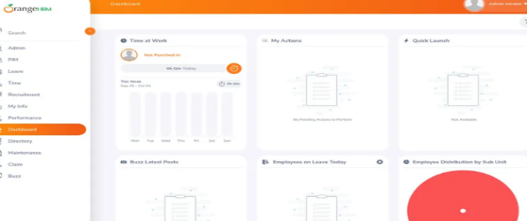 | s3 | p3 | Mahesh | Raman | Accepted
2 | The invalid photo format is also being uploaded in the system | Tc_myinfo_008 | 1.lunch browser 2.open url"https://opensourcedemo.livesource" 3.login with username and password 4.click on myinfo Tab 5.click on upload image 6. Select the image and click save | 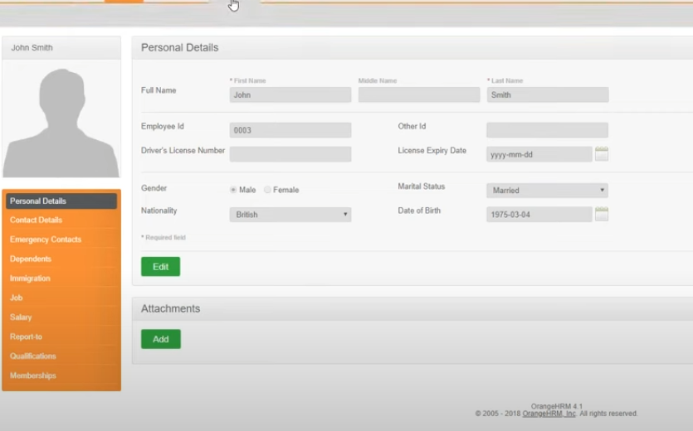 | s3 | p3 | Mahesh | Raman | Accepted

